Sheet1
Bài 1 :Huong dan Setup OpenCV

1.Download File thƯ viện theo đường dẫn : |  |  | https://drive.google.com/file/d/1FMWC_BT71dMzVYwtqpVmybJp3iYqgHEn/view?usp=sharing
2.Giải nén vào ổ C: như hình
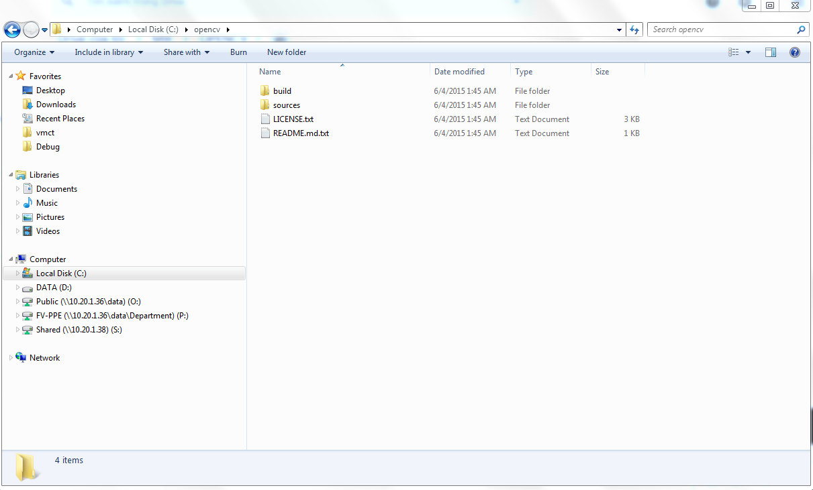

3.Tao du an moi

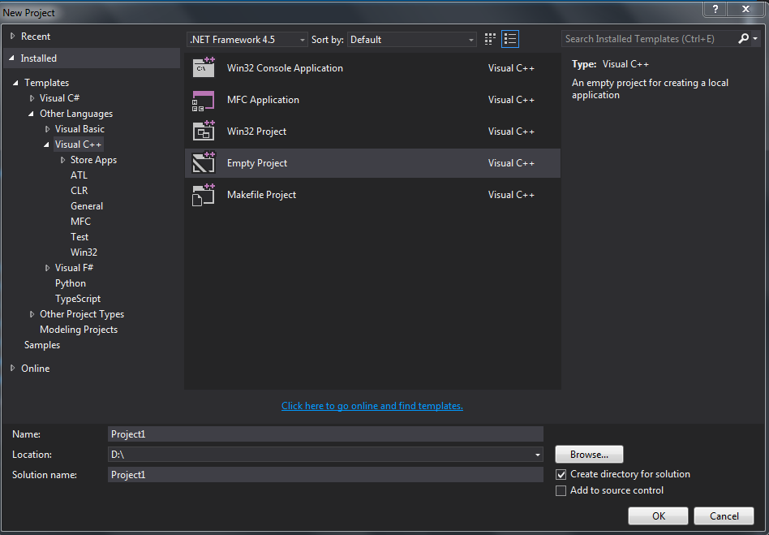

4
4.Chon View /other window/propety manager
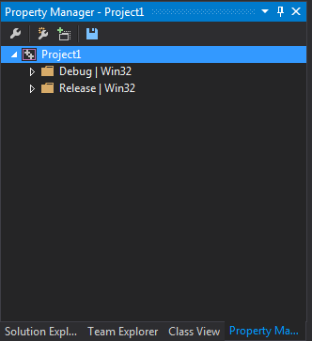

5.Click chuot phải vào debug win32 /add new propety Sheet>>>
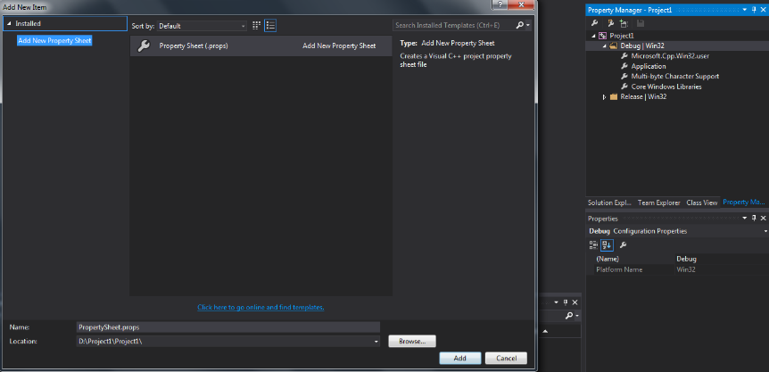

6.Click chuot phải File vua tao
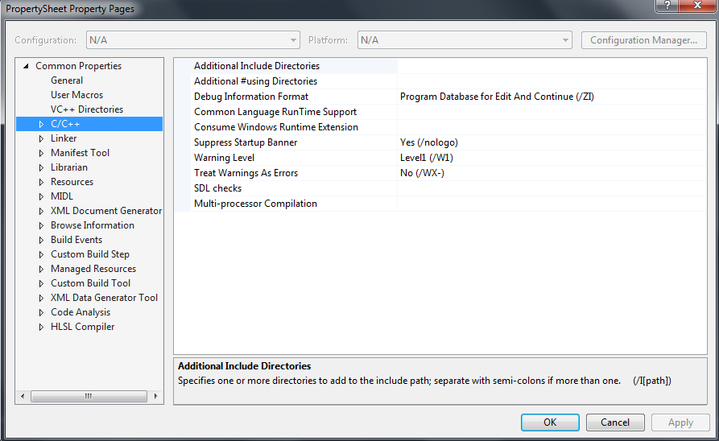

7.Cai dat cac thông so sau
 | C:\opencv\build\include
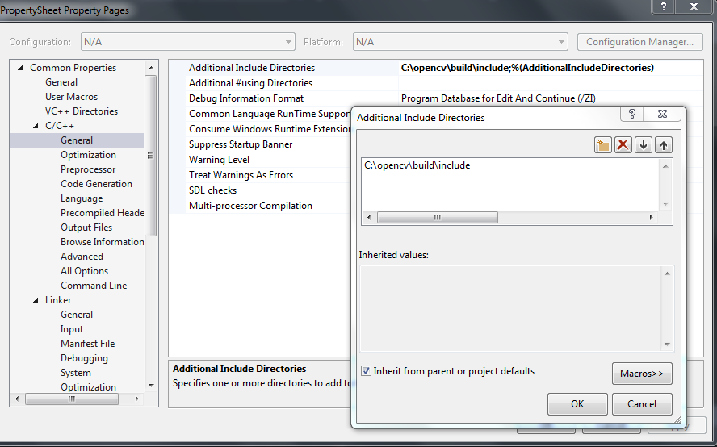

 | C:\opencv\build\x86\vc12\lib
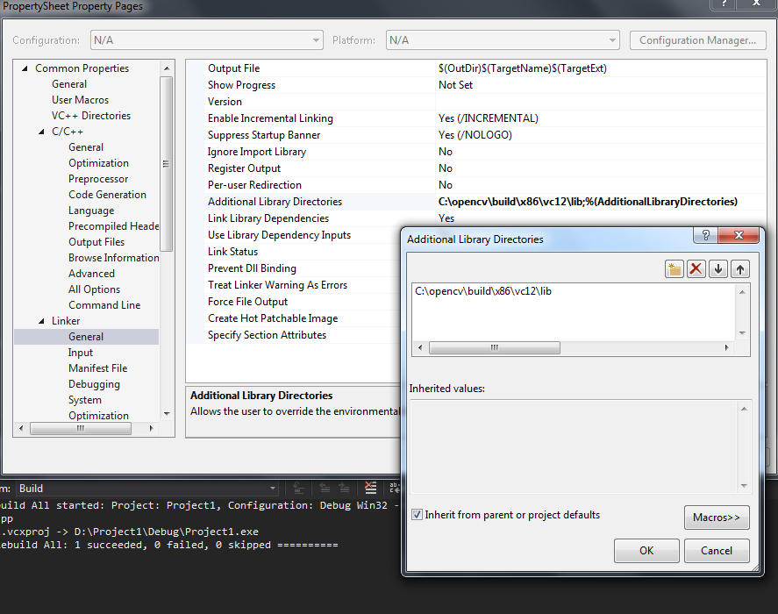

 | opencv_ts300d.lib
 | opencv_world300d.lib
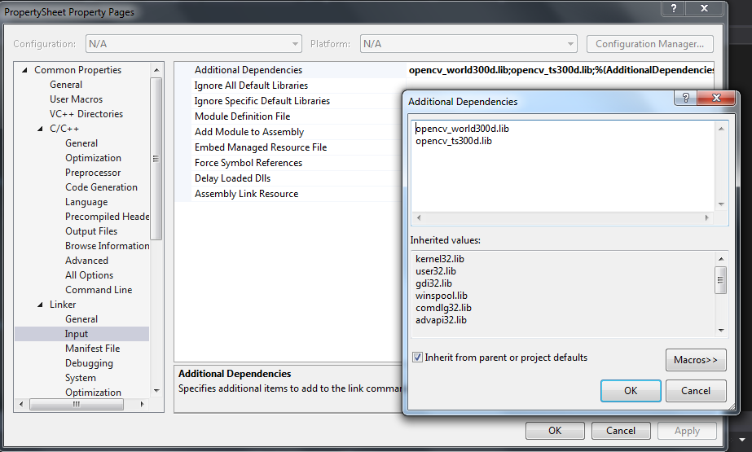

8.Apply
9.Click chuot phai len File Sheet >>Save propety Sheet

10.Thêm File để viết Code

 | Solution/project/Source Files >>Mouse right>Add new items>> C++ file (.cp)>>Được nhu hinh duoi
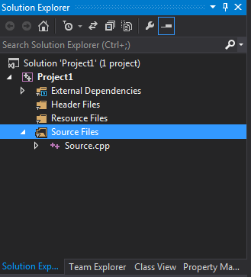

11.Coppy Code mau vào file vừa tạo

#include "opencv2/imgproc.hpp" #include "opencv2/highgui.hpp" using namespace std; using namespace cv; int DELAY_CAPTION = 1500; int DELAY_BLUR = 100; int MAX_KERNEL_LENGTH = 31; Mat src; Mat dst; char window_name[] = "Filter Demo 1"; int display_caption(char* caption); int display_dst(int delay); /* * function main */ int main(int argc, char** argv) { namedWindow(window_name, WINDOW_AUTOSIZE); src = imread("Lena.png", 1); if (display_caption("Original Image") != 0) { return 0; } dst = src.clone(); if (display_dst(DELAY_CAPTION) != 0) { return 0; } if (display_caption("Homogeneous Blur") != 0) { return 0; } for (int i = 1; i < MAX_KERNEL_LENGTH; i = i + 2) { blur(src, dst, Size(i, i), Point(-1, -1)); if (display_dst(DELAY_BLUR) != 0) { return 0; } } if (display_caption("Gaussian Blur") != 0) { return 0; } for (int i = 1; i < MAX_KERNEL_LENGTH; i = i + 2) { GaussianBlur(src, dst, Size(i, i), 0, 0); if (display_dst(DELAY_BLUR) != 0) { return 0; } } if (display_caption("Median Blur") != 0) { return 0; } for (int i = 1; i < MAX_KERNEL_LENGTH; i = i + 2) { medianBlur(src, dst, i); if (display_dst(DELAY_BLUR) != 0) { return 0; } } if (display_caption("Bilateral Blur") != 0) { return 0; } for (int i = 1; i < MAX_KERNEL_LENGTH; i = i + 2) { bilateralFilter(src, dst, i, i * 2, i / 2); if (display_dst(DELAY_BLUR) != 0) { return 0; } } display_caption("End: Press a key!"); waitKey(0); return 0; } int display_caption(char* caption) { dst = Mat::zeros(src.size(), src.type()); putText(dst, caption, Point(src.cols / 4, src.rows / 2), FONT_HERSHEY_COMPLEX, 1, Scalar(255, 255, 255)); imshow(window_name, dst); int c = waitKey(DELAY_CAPTION); if (c >= 0) { return -1; } return 0; } int display_dst(int delay) { imshow(window_name, dst); int c = waitKey(delay); if (c >= 0) { return -1; } return 0; }

12.Coppy File hinh vao dong dan nhu hinh

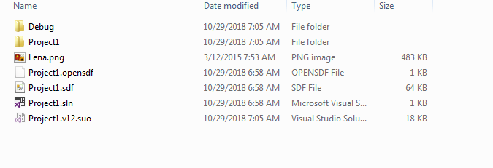

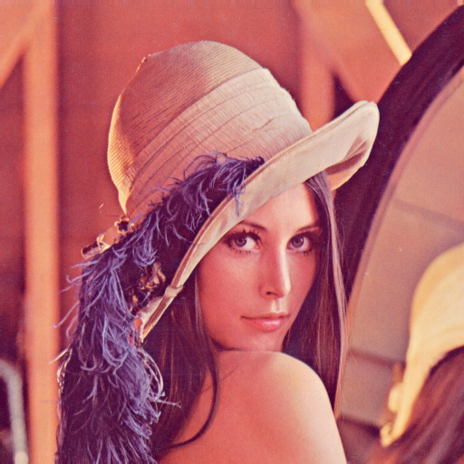

 | "Lena.png"
13.Building chuong trinh nhu hinh dưới là ok

14.Click Load windows Debuger |  | >>Run

15.File Sheet mau tai duong link |  | https://drive.google.com/file/d/1qaTOav3GL_-GrfjWqlccu3x4cpkcMcFR/view?usp=sharing

16.Neu da co File thi chi can Add File Sheet vao: |  |  |  | Propety manager>> Debug|win32>>Add Exiting Propety Sheet >>>chọn File mẫu

